1
TYPES OF HEAVY EQUIPMENT FOR CERTIFICATION |  | DOCUMENTATION REQUIREMENTS
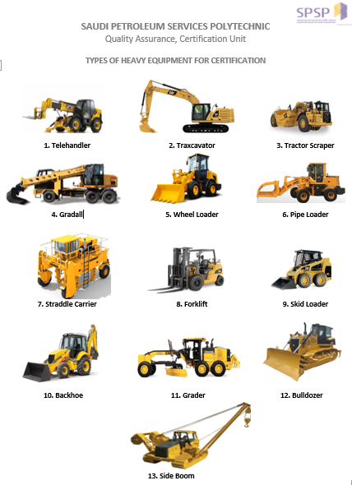 |  | Murroor / Police print-out Requirements:

SCRO
L
L
DOWN
SCRO
L
L
DOWN
 |  |  | BACKHOE (TRAXCAVATOR) | باكهول/ حفار/ بوكلين
 |  |  | BACKHOE LOADER | باكهول/ حفار/ بوكلين
 |  |  | BULLDOZER | بلدوزر
 |  |  | CRANE | كرين
 |  |  | FORKLIFT | رافعه شوكية
 |  |  | GRADER | قريدل
 |  |  | GRADALL | قريدول
 |  |  | SKID LOADER (BOBCAT) | بوب كات / شيول
2. Backhoe (Traxcavator)
 |  |  | WHEEL LOADER / PIPELOADER | شيول / بوب كات
 |  |  | SIDEBOOM / PIPELAYER | رافعه جانبيه
 |  |  | TELEHANDLER | رافعه شوكية
 |  |  | TRACTOR SCRAPER | شيول

 |  | Mandatory Documentation:
 |  | ® | Photograph [2X2] with White Background renamed by Iqama No.(Image file Only)
 |  | ® | Attach the documents into a single pdf file renamed by their Iqama number.
 |  | ® | The documents are Iqama/Civil ID, SA-Government Driving License(SAG), Murroor
 |  |  | Printout (Colored) and Saudi Aramco Medical fitness certificate for HEO (W/ CR Stamp)
 |  | ® | Download the Request Form everytime you apply. Send us only the Excel Sheet.
 |  | Medical certificate:
 |  | ® | Fitness certificate should not be older than 3 months. Consider making new.
 |  | ® | The stamp-seal should appear clear, the CR of Clinic should be visible
 |  | ® | Stamp on the picture of the candidate, date, Civil/Badge No. Company & Name.
 |  |  | must be mentioned. Medical is for Saudi Aramco Heavy Equipment Operator
 |  | Murroor Requirement:
 |  | ® | The date in the SAG License & the Murroor printouts must be the same.
 |  | ® | The Murroor should reflect the type of equipment applied for.
10. Backhoe Loader
 |  | ® | The SAG License & the Murroor should be valid for at least 3 months to apply
 |  | ® | The Murroor Print should have a Seal/Stamp if the paper is plain without emblem
 |  | Location of Assessment Site, Map & GPS Coordinates:
 |  | ® | Fill the Link & GPS as requested in the form. To check how to, click on links below
 |  | ® | Only add ASSESSMENT LOCATION not the location of company office
 |  | ® | Attach the pdf/image of the location map to reassure the Link & GPS provided.
 |  | Apply / Contact Us:
 |  | E-mail: | certifications@spsp.edu.sa | ( 966-13-866-4823

Assessment / Test Site, Test Location Details, Test Site Google Link & GPS Coordinates | *الرجاء ادراج موقع الاختبار
Longitude & Latitude Coordinates for Saudi Petroleum Services Polytechnic, Dammam, Saudi Arabia |  |  |  | 26.3766° N, 50.1100° E
Google GPS Coordinates for Saudi Petroleum Services Polytechnic, Dammam, Saudi Arabia |  |  |  | 26.376600, 50.110000
Google Map Link for Saudi Petroleum Services Polytechnic, Dammam, Saudi Arabia |  |  |  | https://goo.gl/maps/AdQmfKcH8tu

HOW TO MAKE A GOOGLE MAP LOCATION - LINK | RECORDING OF GPS COORDINATES - LINK

Send the details of your assessment / test location / site / yard only. The location is not your office address.
الرجاء التاكد من موقع الاختبار قبل ارسال الطلب

